KPI_Dashboard
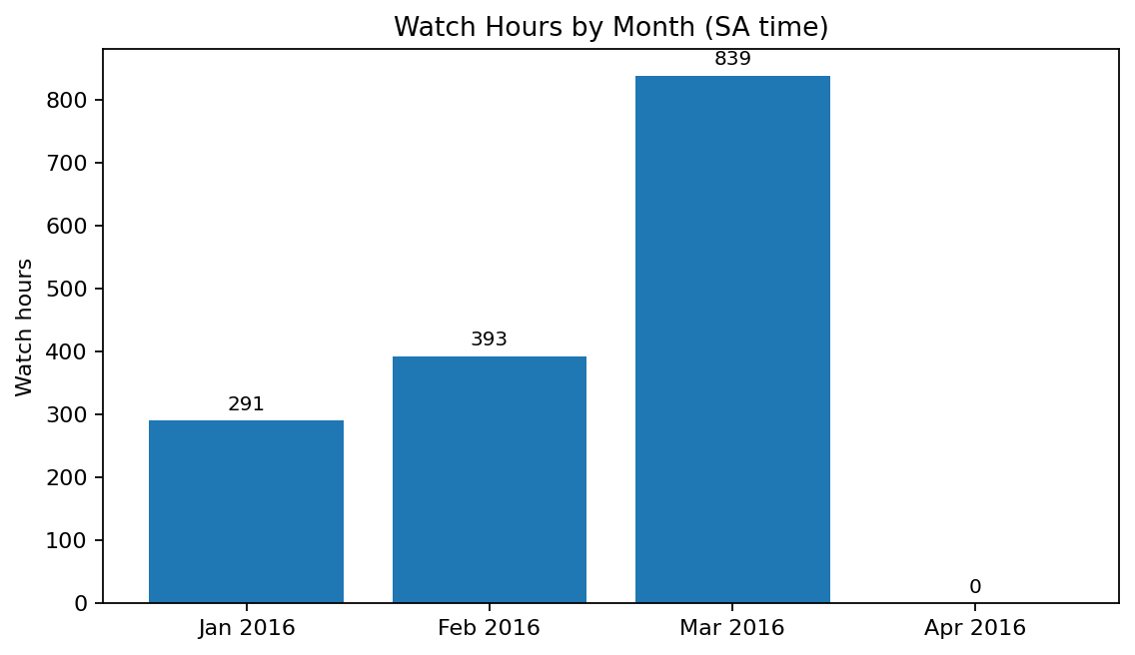
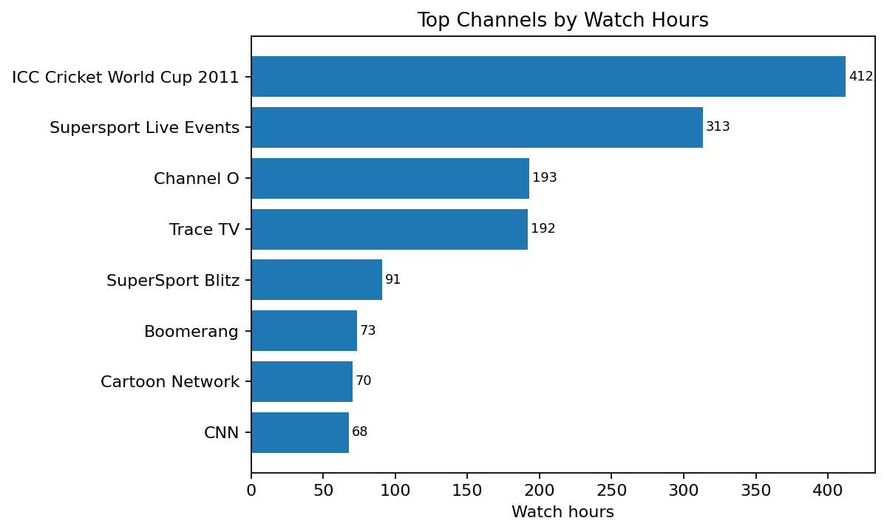
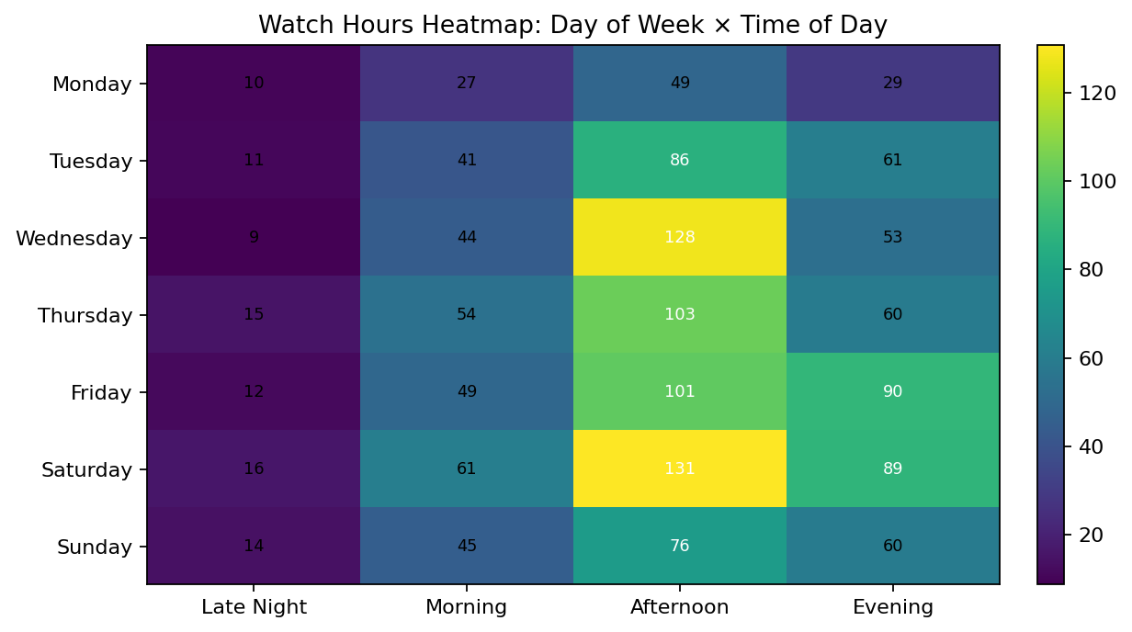
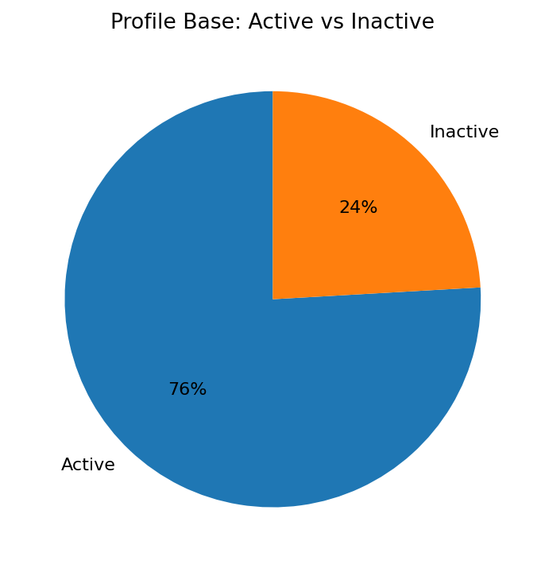
BrightTV KPI Dashboard
Prepared summary for pivoting, charting and presentation

Profiles | Active | Inactive | Sessions | Watch hours | Channels
5,375 | 4,080 | 1,295 | 10,000 | 1,523 | 21

Monthly_Trend
sa_year | sa_month_num | sa_month | sessions | watch_hours | active_profiles
2016 | 1 | Jan 2016 | 2199 | 291.17416667 | 1116
2016 | 2 | Feb 2016 | 2980 | 392.90444444 | 1453
2016 | 3 | Mar 2016 | 4816 | 838.7625 | 2397
2016 | 4 | Apr 2016 | 5 | 0.15972222222 | 5

Weekday_Trend
sa_weekday | sessions | watch_hours | active_profiles
Monday | 957 | 114.90277778 | 754
Tuesday | 1322 | 198.87722222 | 1014
Wednesday | 1553 | 234.11638889 | 1154
Thursday | 1441 | 232.29388889 | 1088
Friday | 1675 | 251.91444444 | 1203
Saturday | 1633 | 296.01916667 | 1192
Sunday | 1419 | 194.87694444 | 1043

TimeOfDay_Trend
time_of_day | sessions | watch_hours | active_profiles
Late Night | 561 | 86.608611111 | 447
Morning | 2361 | 321.99861111 | 1594
Afternoon | 3734 | 673.88472222 | 2330
Evening | 3344 | 440.50888889 | 2049

Day_Time_Heatmap
sa_weekday | Late Night | Morning | Afternoon | Evening
Monday | 10.217777778 | 27.001388889 | 48.737222222 | 28.946388889
Tuesday | 10.586111111 | 41.238611111 | 86.294722222 | 60.757777778
Wednesday | 8.6763888889 | 43.953333333 | 128.09277778 | 53.393888889
Thursday | 15.086388889 | 54.395833333 | 103.27666667 | 59.535
Friday | 11.833888889 | 49.291111111 | 101.08555556 | 89.703888889
Saturday | 15.942222222 | 60.81 | 130.70333333 | 88.563611111
Sunday | 14.265833333 | 45.308333333 | 75.694444444 | 59.608333333

Top_Content
Channel2 | sessions | watch_hours | active_profiles
ICC Cricket World Cup 2011 | 1465 | 412.12555556 | 1009
Supersport Live Events | 1638 | 313.19888889 | 1117
Channel O | 1050 | 192.75583333 | 726
Trace TV | 952 | 191.92416667 | 715
SuperSport Blitz | 896 | 90.679444444 | 713
Boomerang | 714 | 73.259166667 | 551
Cartoon Network | 793 | 70.254722222 | 651
CNN | 505 | 67.7775 | 361
Africa Magic | 859 | 48.714444444 | 625
E! Entertainment | 367 | 36.984444444 | 324
SawSee | 251 | 10.231111111 | 232
DStv Events 1 | 107 | 4.8347222222 | 101
M-Net | 116 | 3.9005555556 | 109
kykNET | 45 | 2.7066666667 | 45
Vuzu | 111 | 1.4275 | 98
Break in transmission | 66 | 0.89166666667 | 62
MK | 32 | 0.68138888889 | 31
SuperSport Live Events | 24 | 0.37833333333 | 21
Sawsee | 4 | 0.18777777778 | 4
Live on SuperSport | 2 | 0.078333333333 | 2
Wimbledon | 3 | 0.0086111111111 | 3

Audience_Gender
gender_clean | sessions | watch_hours | active_profiles | avg_min_per_active_profile
Unknown | 307 | 36.162777778 | 178 | 12.189700375
female | 967 | 135.84888889 | 448 | 18.194047619
male | 8726 | 1350.9891667 | 3454 | 23.468254198

Audience_Province
province_clean | sessions | watch_hours | active_profiles | avg_min_per_active_profile
Gauteng | 3574 | 534.08 | 1492 | 21.477747989
Western Cape | 1814 | 287.91638889 | 722 | 23.926569714
Kwazulu Natal | 1145 | 202.75944444 | 409 | 29.744661777
Mpumalanga | 916 | 127.36611111 | 373 | 20.487846291
Eastern Cape | 678 | 114.34555556 | 247 | 27.776248313
Limpopo | 714 | 99.418888889 | 306 | 19.493899782
Free State | 290 | 50.061111111 | 138 | 21.765700483
North West | 335 | 43.138611111 | 138 | 18.755917874
Unknown | 308 | 36.251944444 | 179 | 12.151489758
Northern Cape | 226 | 27.662777778 | 76 | 21.839035088

Active_Inactive
activity_status | profiles
Active | 4080
Inactive | 1295

